Sheet4
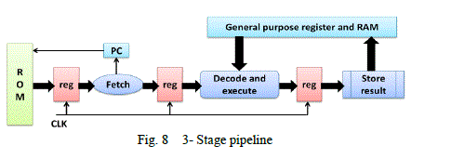
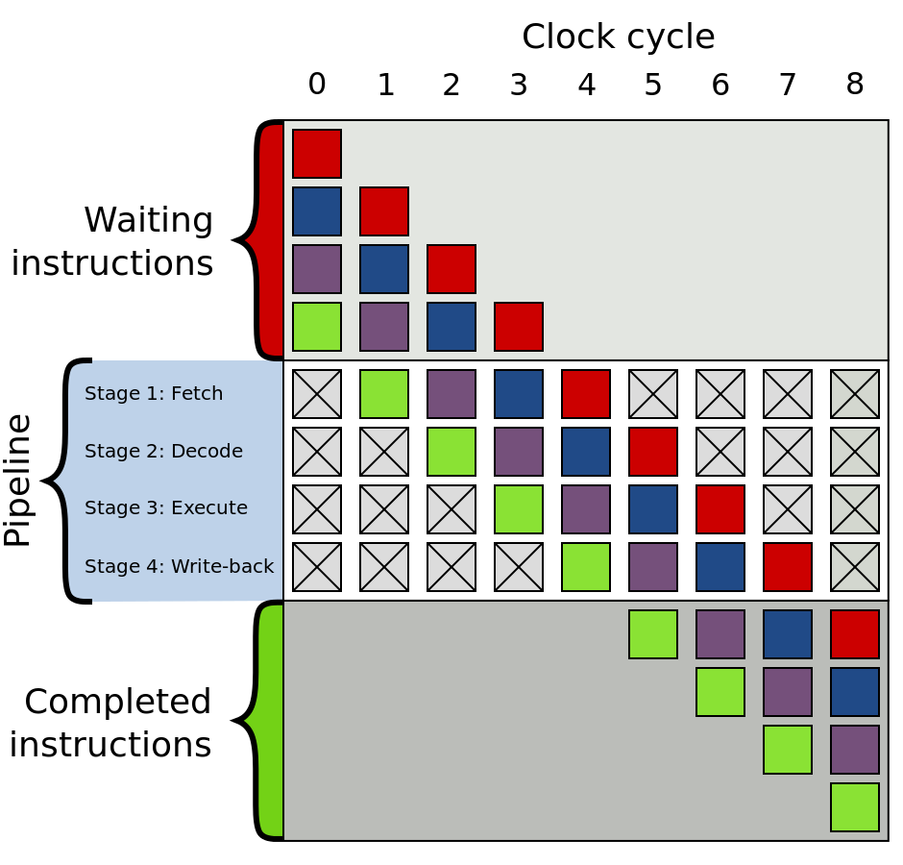
 |  |  | FETCH | DECODE/EXECUTE | STORE RESULT
Load Value | LDV | 0 | Read instruction |  | write to reg
Load Ram | LDR | 1 | Read instruction | Read Ram | write to reg
Store Register | STR | 2 | Read instruction | Read Reg | write to Ram
Move Register | MOV | 3 | Read instruction | Read RegA | Write to RegB
Load multiple | LDM | 4 | Read instruction | TODO
Store multiple | STM | 5 | Read instruction | TODO

jump | JMP | 6 | Read instruction |  | Write to PC and clear other instructions
Branch | BRA | 8 | Read instruction | push PC to Stack | Write to PC and clear other instructions
Return | RET | 10 | Read instruction | Pop stack to temp reg | Write to PC and clear other instructions | Enable allows instructions to anvance
 |  |  |  |  |  | Clear changes condition to Never
Arithmetic/Logical | ALU | 11 | Read instruction | Read from a and b To ALU | out to reg Q or Status Reg
Read bit | REB | 12 | Read instruction | Read bit from SR to sr EQ bit

No Operation | NOP | 30 | Read instruction |  | nothing
Halt | HLT | 31 | Read instruction |  | halt

